Form 1
Ver.18 Attached Form 1

 | To Chemical Substance Management Group
 | Quality Assurance Division NAMICS CORPORATION

Receipt Confirmation

 |  | We wish to acknowledge our receipt of the following documents:

 |  |  | NAMICS Green Procurement Standards Document 18th Edition
 |  |  | Attached Form 1 Receipt confirmation
 |  |  | Attached Form 2 Compliance certificate
 |  |  | Attached Form 3 Chemical composition table and Global registration status
 |  |  | Attached Form 4 Questionnaire on the chemical substances management system in place

 |  |  | Related specification: NAMICS Green Procurement Standards Environmentally hazardous
 |  |  | chemical substances list

 |  |  | ※ Please fill in the parts in yellow.

 |  |  | Date of receipt
 |  |  | Company Name(Name of business establishment)
 |  |  | Department in charge
 |  |  | Person in charge Title, name, seal | Title
Signature
 |  |  |  | Name
 |  |  |  | Tel
 |  |  |  | Fax
 |  |  |  | E-mail

Form 2
 |  | Ver.18 Attached Form 2
 |  | To Chemical Substance Management Group
 |  | Quality Assurance Division NAMICS CORPORATION
 |  | NAMICS Green Procurement Standards Compliance certificate

We guarantee that the delivered products satisfy the latest NAMICS Green Procurement Standards with the following Category.

 |  | ■Compliance： All Level 1 and Level 2 substances in the product meet the threshold limit (the maximum allowable concentration).
 |  | ■Conditional compliance： The product contains all Level 1 substances within the threshold limit, but contains Level 2 substances over the threshold limit. We will strive to implement countermeasures as described in "2-Report the details of substance usage".
 |  | ■Non compliance： The product contains Level 1 substances over the threshold limit. Or the product contains all Level 1 substances within the threshold limit (the maximum allowable concentration), but contains Level 2 substances over the threshold limit. Furthermore, for the reasons stated in "2-Report the details of substance usage", it cannot be avoided to use these substances. We will maintain the present status.
 |  | ※ Please fill in the parts in yellow.
 |  | ●How to fill in Form 2 |  | (1) Fill in product name(s) in Product List.
 |  |  |  | (2) Check the compliance status to 'NAMICS Green Procurement Standards Environmentally hazardous chemical substances list', fill in 'Category' in Product List. ※When the 'Category' is 'Compliance', no action is needed for the following (3).

 |  |  |  | (3) Fill in 'Result' of 1-1 and 1-2 respectively in the following pages. When a product contains any regulated substance over the threshold limit (maximum limit of concentration), select "Non compliance" under 'Result'. Then report the detailed information in '2. Report the details of substance usage'. When a product is out of Scope, select "Not applicable" under 'Result'. When more than one product are surveyed and their results include "Non compliance" and "Not applicable", select "Non compliance" under 'Result'.
 |  |  |  | (4) A person in charge at your company shall sign in the signature space below. Then submit this form to NAMICS.
 |  | ※If the compliance status to 'NAMICS Green Procurement Standards Environmentally hazardous chemical substances list' is already checked otherwise, and the Category is 'Compliance', it is not necessary to submit after page 2.
 |  | Product List
 |  | No. | Product name |  |  | Category |  | No. | Product name |  |  | Category
 |  | 1 |  |  |  |  |  | 11
 |  | 2 |  |  |  |  |  | 12
 |  | 3 |  |  |  |  |  | 13
 |  | 4 |  |  |  |  |  | 14
 |  | 5 |  |  |  |  |  | 15
 |  | 6 |  |  |  |  |  | 16
 |  | 7 |  |  |  |  |  | 17
 |  | 8 |  |  |  |  |  | 18
 |  | 9 |  |  |  |  |  | 19
 |  | 10 |  |  |  |  |  | 20

 |  | Comment：

 |  | Date of response
 |  | Company Name (Name of business establishment)
 |  | Department in charge
 |  | Person in charge Title, name, seal |  | Title
Signature
 |  |  |  | Name
 |  |  |  | TEL
 |  |  |  | FAX
 |  |  |  | E-mail

 |  | 1. Ensuring the conformity of environmental hazardous chemical substances.

 |  | 1-1. Regulated substances (Analytical data is required as supporting evidence of "Not contained".)
 | Reference № |  | Substances Name |  |  |  | CAS No. |  | Regulated Level | Scope | Threshold limits (maximum limit of concentration) |  | Result
 |  |  |  |  | Analyzed target
 | P1001 |  | Cadmium and its compounds |  | Raw materials and Other materials |  | － |  | Level 1 | Parts composed of metals containing zinc (e.g. brass, hot dip galvanizing, etc.) | less than 100 ppm
 |  |  |  |  |  |  |  |  |  | All uses other than the above column | Less than 5ppm
 | P1002 |  | Lead and its compounds |  |  |  | － |  | Level 1 | All uses other than the column below and lead type glass frit | Less than 100ppm
 |  |  |  |  |  |  |  |  |  | Parts composed of metals containing tin (e.g. solder, etc.) | Equal to or less than 500ppm
 | P1003 |  | Mercury and its compounds |  |  |  | － |  | Level 1 | All uses | Less than 2ppm
 | P1004 |  | Hexavalent chromium compounds |  |  |  | － |  | Level 1 | All uses | Less than 10ppm
 | P1005 |  | Total-concentration of four heavy metals (cadmium, lead, mercury, and hexavalent chromium) contained in packaging components and materials |  | Indirect materials |  | － |  | Level 1 | All indirect materials | "Less than 50 ppm" is determined as the allowable total-concentration of four heavy metals (cadmium, lead, mercury, and hexavalent chromium) contained in each part, ink, or paint that constitutes a package.
 | P1006 |  | Polybrominated biphenyls (PBB) |  | All materials |  | － |  | Level 1 | All uses | Less than 1000ppm
 | P1007 |  | Polybrominated diphenylethers (PBDE) (including decabromodiphenyl ether [DecaBDE]) |  |  |  | － |  | Level 1 | All uses | Less than 1000ppm
 | P1033 |  | Specific phthalates (DEHP/DBP/BBP/DIBP) |  |  |  | refer to Appendix-1.4 |  | Level 1 | All uses | Less than 50ppm

 |  | Note：

 |  | 1-2. Regulated substances (Analytical data is NOT required as supporting evidence of "Not contained".)
 | Reference № |  | Substances Name |  |  |  | CAS No. |  | Regulated Level | Scope | Threshold limits (maximum limit of concentration) |  | Result

 | P1008 |  | Hexabromocyclododecane (HBCDD) |  |  |  | 25637-99-4 3194-55-6 134237-50-6 134237-51-7 134237-52-8 |  | Level 1 | All uses | Less than 50ppm
 | P1009 |  | Polychlorinated biphenyls (PCB) |  |  |  | － |  | Level 1 | All uses | Less than 50ppm
 | P1010 |  | Polychlorinated naphthalenes (PCN) |  |  |  | － |  | Level 1 | All uses | Less than 1000ppm
 | P1011 |  | Polychlorinated terphenyls (PCT) |  |  |  | － |  | Level 1 | All uses | Less than 50ppm
 | P1012 |  | Chlorinated paraffins (CP) |  |  |  | 85535-84-8 84082-38-2 71011-12-6 85536-22-7 85535-85-9 85535-86-0 |  | Level 1 | All uses | Less than 1000ppm
 | P1013 |  | Polyvinyl chloride (PVC) and PVC blends |  |  |  | － |  | Level 1 | All uses (Exemption-Insulating tapes, labels) | Less than 1000ppm
 | P1014 |  | Hydrofluorocarbon (HFC), Perfluorocarbon (PFC), Sulfur hexafluoride(SF6) |  |  |  | － |  | Level 1 | All uses | Less than 1000ppm
 | P1015 |  | Ozone depleting substances (ODS) |  |  |  | － |  | Level 1 | All uses | Less than 1000ppm
 | P1016 |  | Hydrochlorofluorocarbon (HCFC) |  |  |  | － |  | Level 1 | All uses | Less than 1000ppm
 | P1017 |  | Perfluorooctane sulfonates (PFOS) and individual salts and related substances of PFOS |  |  |  | － |  | Level 1 | All uses | Less than 1000ppm
 | P1018 |  | Perfluorooctanoic Acid (PFOA) and individual salts and related substances of PFOA |  |  |  | refer to Appendix-1.1 |  | Level 1 | All uses | 25ppb total sum of PFOA, and its individual salts and related substances.
 | P1019 |  | Beryllium and its compounds |  |  |  | － |  | Level 1 | All uses | Less than 1000ppm
 | P1020 |  | Cobalt dichloride |  |  |  | 7646-79-9 |  | Level 1 | All uses | Less than 1000ppm
 | P1021 |  | Arsenic and its compounds |  |  |  | － |  | Level 1 | All uses | Less than 1000ppm
 | P1022 |  | Asbestos |  |  |  | － |  | Level 1 | All uses | Less than 1000ppm
 | P1023 |  | Specific azo compounds (Azodyes that form specific amine compounds and specific amine compounds.) |  |  |  | refer to Appendix-1.2 |  | Level 1 | All uses | Less than 30ppm
 | P1024 |  | Formaldehyde |  |  |  | 50-00-0 |  | Level 1 | All uses other than impurities or unreacted components | Less than 300ppm
 | P1025 |  | Benzenamine, N-phenyl-, reaction products with styrene and 2,4,4-trimethylpentene (BNST) |  |  |  | 68921-45-9 |  | Level 1 | All uses | Not intentionally added
 | P1026 |  | Dimethyl fumarate (DMF) |  |  |  | 624-49-7 |  | Level 1 | All uses | Less than 0.1ppm
 | P1027 |  | Specific Polycyclic aromatic hydrocarbons (PAHs) |  |  |  | refer to Appendix-1.3 |  | Level 1 | All uses | Less than 1ppm
 | P1028 |  | Benzene |  |  |  | 71-43-2 |  | Level 1 | All uses | Less than 1000ppm
 | P1029 |  | Hexachlorobenzene |  |  |  | 118-74-1 |  | Level 1 | All uses | Less than 1000ppm
 | P1030 |  | Minerals from Conflict-Affected and High-Risk Areas(CAHRAs) https://www.cahraslist.net/cahras (Gole, Tin, Tantalum, Tungsten and Cobalt, Mica) |  |  |  | － |  | Level 1 | All uses | Not intentionally added
 | P1031 |  | Radioactive substances [Uranium (U), Plutonium (Pu), Radon (Rn),Americium (Am), Thorium(Th) , Cesium(Cs) , Strontium (Sr),etc.] |  |  |  | － |  | Level 1 | All uses | Less than 1000ppm
 | P1032 |  | Red phosphorus / Yellow phosphorus |  |  |  | － |  | Level 1 | All uses | Less than 1000ppm
 | P1034 |  | Tris(2-chloroethyl) phosphate (TCEP) Tris (1-chloro-2-propyl) phosphate (TCPP) Tris(1,3-dichloro-2-propyl)phosphate (TDCPP) |  |  |  | 115-96-8 13674-84-5 13674-87-8 |  | Level 1 | All uses | Less than 1000ppm
 | P1035 |  | Perfluorohexanesulfonic acid (PFHxS) and its salts and related substances |  |  |  | － |  | Level 1 | All uses | 25ppb total sum of PFHxS, and its individual salts. 1000ppb total sum of PFHxS related substances.
 | P1036 |  | Decabromodiphenylethane (DBDPE) |  |  |  | 84852-53-9 |  | Level 1 | All uses | Not intentionally added
 | P1037 |  | 1,6,7,8,9,14,15,16,17,17,18,18-Dodecachloropentacyclo[12.2.1.16,9.0 2,13.05,10]octadeca-7,15-diene (“Dechlorane Plus”™) |  |  |  | － |  | Level 1 | All uses | Not intentionally added
 | P1038 |  | Long-chain perfluoroalkyl carboxylate (LCPFACs) and perfluoroalkyl sulfonate chemicals |  |  |  | － |  | Level 1 | All uses | Not intentionally added
 | P1039 |  | TSCA Priority chemicals（PBT, First 10 Chemical Substances） |  |  |  | refer to Appendix-1.5 |  | Level 1 | All uses | Not intentionally added
 | P1040 |  | Acrylamide (monomer) |  |  |  | 79-06-1 2680-03-7 |  | Level 1 | All uses | Less than 5ppm
 | P1041 |  | Dioxins and Furans |  |  |  | refer to Appendix-1.6 |  | Level 1 | All uses | Not intentionally added
 | P1042 |  | Chlorinated Phenols |  |  |  | refer to Appendix-1.7 |  | Level 1 | All uses | Less than 0.1ppm
 | P1043 |  | Colorants |  |  |  | refer to Appendix-1.8 |  | Level 1 | All uses | Less than 20ppm
 | P1044 |  | Perfluorohexanoic acid (PFHxA) and its salts and related substances |  |  |  | － |  | Level 1 | All uses | 25ppb total sum of PFHxA, and its individual salts. 1000ppb total sum of PFHxA related substances.
 | P1045 |  | Methyl-phenol compounds |  |  |  | 95-48-7 106-44-5 108-39-4 1319-77-3 |  | Level 1 | All uses | Less than 10 ppm total content
 | P1046 |  | Pesticides |  |  |  | refer to Appendix-1.9 |  | Level 1 | All uses | Less than 0.5 ppm total sum of pesticides
 | P1047 |  | UV stabilizers |  |  |  | 3846-71-7 3864-99-1 25973-55-1 36437-37-3 |  | Level 1 | All uses | Less than 1000ppm
 | P1048 |  | Long-chain perfluorocarboxylic acids (PFCAs) C9-C20 and its salts and related substances |  |  |  | － |  | Level 1 | All uses | Not intentionally added
 | P1049 |  | Perfluorocarboxylic acids (PFCAs) C9-C14 and its salts and related substances |  |  |  | － |  | Level 1 | All uses | 0.0000025 wt% (25ppb) total sum of PFCAs, and its individual salts and related substances.
 | P1050 |  | Halogenated diphenyl methanes |  |  |  | 76253-60-6 81161-70-8 99688-47-8 |  | Level 1 | All uses | Less than 1ppm
 | P1051 |  | Natural rubber, latex |  |  |  | － |  | Level 1 | All uses | Not intentionally added
 | P1052 |  | Perchlorates |  |  |  | 7601-89-0 7778-74-7 7790-98-9 7791-03-9 10034-81-8 |  | Level 1 | All uses | Less than 0.1 ppm total content
 | P1053 |  | Tetrabromobisphenyl A (TBBA, TBBPA) |  |  |  | 79-94-7 |  | Level 1 | All uses | Less than 900 ppm as bromine
 | P1054 |  | Perfluorobutanesulfonic acid (PFBS) and its related substances |  |  |  | － |  | Level 1 | All uses | Less than 1000ppm
 | P2001 |  | Organictin Compounds |  |  |  | refer to Appendix-1.10 |  | Level 2 | All uses | Less than 1000 ppm total content
 | P2002 |  | Acrylates monomers Group1 |  |  |  | refer to Appendix-1.11 |  | Level 2 | All uses | Less than 1000ppm
 | P2003 |  | PFAS（Per-and Polyfluoroalkyl Substances） Substances containing at least one aliphatic -CF2 or -CF3 |  |  |  | － |  | Level 2 | All uses | Less than 50ppm
 | P2004 |  | Biocides |  |  |  | refer to Appendix-1.12 |  | Level 2 | All uses | Not intentionally added

 |  | The reference No. of regulated substances which are used in the products.

 |  | 2. Report the details of substance usage
 |  | ●Guideline |  | Regarding the "Contained" substances in 1-1 and 1-2, report the details below. (Substance name, CAS number, Concentration, Classification of inclusion and Future measures)

 |  |  |  | Classification of inclusion: If the factors affect product performance and quality, select "Intentionally used." If the factors don't affect final product performance and quality because they are non-removal substances derived from ingredients or unreacted residues and by-products generated via compounding processes, select "Impurity."

 |  | No. | Product name |  |  | Composition information |  |  |  |  |  |  | Alternative plan
 |  |  |  |  |  | Reference No. | Substances Name |  |  | CAS No. | Concentration (％) | Classification of inclusion | Future measures/ Reasons to maintain the present status

How to check Vietnam Inventory
VIETNAM NATIONAL CHEMICAL DATABASE SYSTEM ： |  | http://chemicaldata.gov.vn

 | Attention : When using 'Internet Explorer', the following pages may not open.
 | Please use 'Google Chrome' or 'Microsoft Edge.'
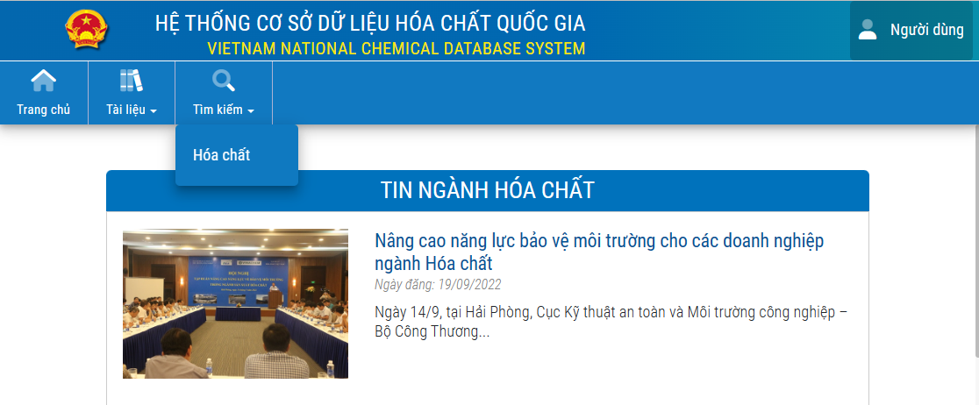

Click

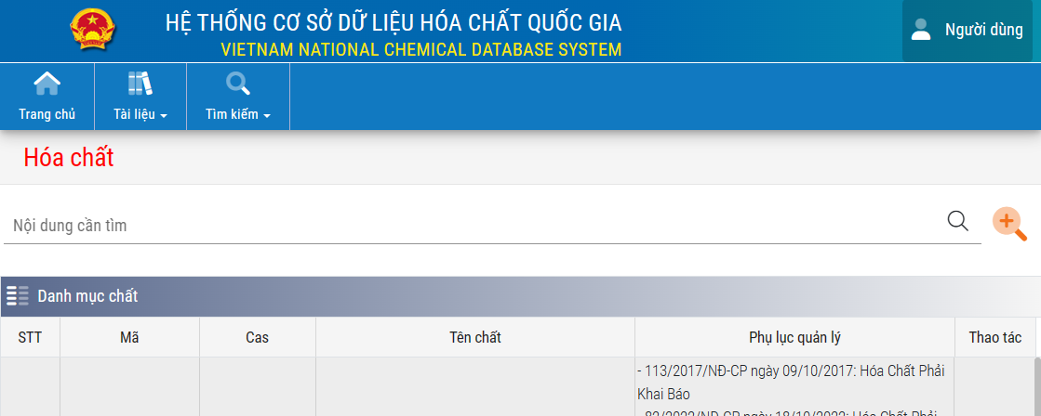

Click

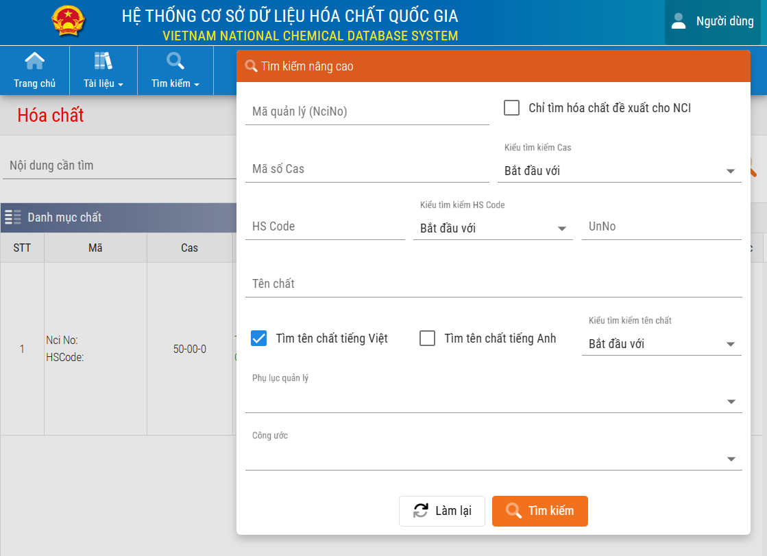

To search only 'existing chemical substances',
ensure that it is checked.

Enter 'CAS No'

Click

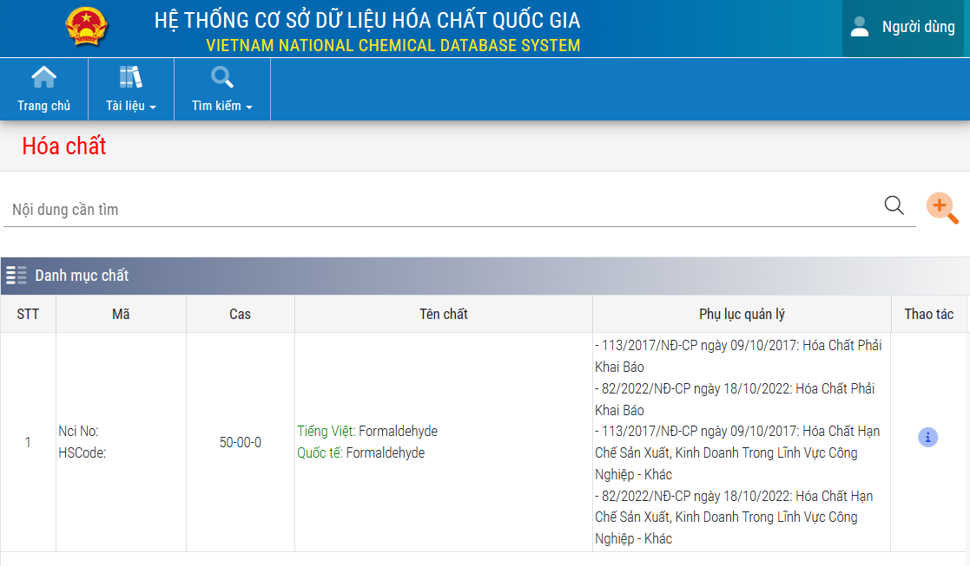

When a substance is in the existing chemical substances list, it is shown here.

Form 4
Ver.18 Attached Form 4
To Chemical Substance Management Group
Quality Assurance Division NAMICS CORPORATION

Questionnaire on ISO Certification and the Product Chemical Substances Management System in place

1. Establishment of quality/environmental management system and acquisition of certification by third-party organizations
 | ※ Please fill in the parts in yellow.
* Enter applicable information, if any, in the empty row.
Certification name |  | Establishment | Acquisition
 |  |  | State | Date (MM/DD/YY) | Expiration date (MM/DD/YY) | Name of certification organization, company, etc.
ISO9001
IATF16949
ISO14001
Eco-Action 21
Independent in-house system

2. Establishment of product chemical substances management system and acquisition of certification by third-party organizations
* Enter applicable information, if any, in the empty row.
1) Establishment of system and acquisition of certification by third-party organizations |  | Establishment | Acquisition
 |  |  | State | Date (MM/DD/YY) | Expiration date (MM/DD/YY) | Name of certification organization, company, etc.
Sony Green Partner
Our own system

3. Self-checking of Chemical management systems

Items |  |  |  |  | Result
Have you verified that the products/materials do not contain any chemical substances prohibited at the customer?
Are suppliers audited? Is the product chemical substances management system verified to be effective?
Do you agree to respond to green procurement surveys, including providing non-inclusion certificates and analytical data?
Is high-precision analysis data available?
Do you have a system to apply for advance approval from the customer following any change in materials, composition, or manufacturing methods (processes, facilities, locations)?

 | Date of receipt
 | Company Name (Name of business establishment)
 | Department in charge
 | Person in charge Title, name, seal | Title
Signature
 |  | Name
 |  | TEL
 |  | FAX
 |  | E-mail

